11
Undergraduate Enrollment, U.S. Citizens and Permanent Residents by State of Residence
Fall Semester 2017

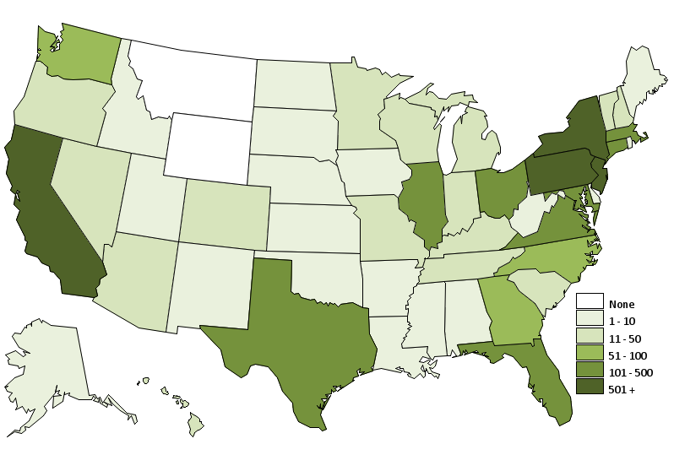

 |  | [MAP GOES HERE]

New England |  | South |  | Midwest |  | West
Connecticut | 108 | Alabama | 9 | Illinois | 158 | Alaska | 5
Maine | 7 | Arkansas | 5 | Indiana | 25 | California | 842
Massachusetts | 235 | Florida | 202 | Iowa | 6 | Colorado | 44
New Hampshire | 22 | Georgia | 55 | Kansas | 7 | Hawaii | 12
Rhode Island | 5 | Kentucky | 11 | Michigan | 43 | Idaho | 7
Vermont | 12 | Louisiana | 6 | Minnesota | 20 | Montana | 0
Subtotal | 389 | Mississippi | 1 | Missouri | 21 | Nevada | 11
% of U.S. Total | 7% | North Carolina | 61 | Nebraska | 5 | Oregon | 29
 |  | South Carolina | 16 | North Dakota | 1 | Utah | 3
 |  | Tennessee | 32 | South Dakota | 2 | Washington | 93
 |  | Virginia | 216 | Wisconsin | 20 | Wyoming | 0
 |  | Subtotal | 614 | Subtotal | 308 | Subtotal | 1,046
 |  | % of U.S. Total | 12% | % of U.S. Total | 6% | % of U.S. Total | 20%
Middle States
Delaware | 6
Washington, D.C. | 10
Maryland | 212
New Jersey | 693 | Southwest
New York | 637 | Arizona | 25 |  |  | U.S. Territories | 24
Ohio | 106 | New Mexico | 8
Pennsylvania | 765 | Oklahoma | 7 |  |  | Residence
West Virginia | 10 | Texas | 211 |  |  | outside of U.S. | 209
Subtotal | 2,439 | Subtotal | 251
% of U.S. Total | 46% | % of U.S. Total | 5% |  |  | U.S. Total | 5,280

12
Undergraduate Enrollment, International Students by Country of Citizenship
Fall Semester 2017

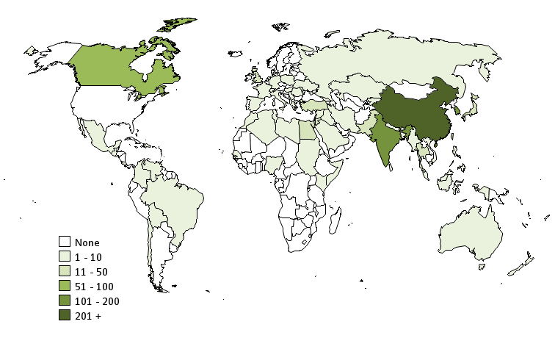

 |  | [MAP GOES HERE]

North and Central America |  | South America |  | Asia |  | Asia Continued
Canada | 67 | Bolivia | 1 | Bahrain | 2 | Singapore | 44
Costa Rica | 1 | Brazil | 3 | Bangladesh | 7 | South Korea | 171
Dominican Republic | 1 | Chile | 3 | Brunei | 1 | Sri Lanka | 2
Guatemala | 1 | Colombia | 1 | China | 604 | Syria | 9
Mexico | 3 | Venezuela | 1 | Georgia | 1 | Taiwan | 12
Subtotal | 73 | Subtotal | 9 | Hong Kong | 12 | Thailand | 11
% of Intl Total | 5% | % of Intl Total | 1% | India | 174 | Turkey | 12
 |  |  |  | Indonesia | 8 | Vietnam | 3
 |  |  |  | Iran | 3 | Subtotal | 1,338
 |  | Europe |  | Iraq | 1 | % of Intl Total | 88%
 |  | Albania | 1 | Israel | 5
 |  | France | 9 | Japan | 12
 |  | Germany | 3 | Jordan | 14
 |  | Greece | 2 | Kazakhstan | 1 | Oceania
Africa |  | Hungary | 1 | Kuwait | 1 | Australia | 7
Algeria | 1 | Italy | 1 | Kyrgyzstan | 1 | New Zealand | 3
Egypt | 25 | Moldova | 1 | Lebanon | 3 | Subtotal | 10
Kenya | 2 | Netherlands | 2 | Macau | 1 | % of Intl Total | 1%
Libya | 1 | Poland | 3 | Malaysia | 5
Morocco | 1 | Romania | 1 | Myanmar | 1
Nigeria | 3 | Serbia | 1 | Nepal | 1
Senegal | 1 | Spain | 2 | Oman | 1 | Not Reported | 5
Somalia | 2 | Switzerland | 2 | Pakistan | 42
Sudan | 4 | Ukraine | 1 | Philippines | 2
Tunisia | 6 | United Kingdom | 13 | Qatar | 168 | International Total | 1,524
Subtotal | 46 | Subtotal | 43 | Russia | 1
% of Intl Total | 3% | % of Intl Total | 3% | Saudi Arabia | 2

13
Graduate Enrollment, U.S. Citizens and Permanent Residents by State of Residence
Fall Semester 2017

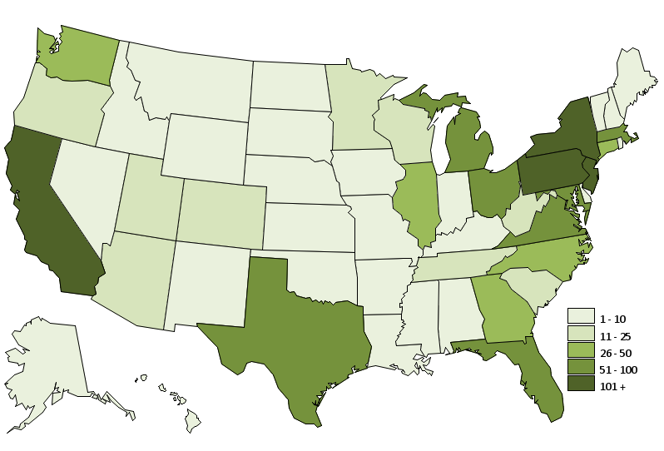

 |  | [MAP GOES HERE]

New England |  | South |  | Midwest |  | West
Connecticut | 27 | Alabama | 10 | Illinois | 37 | Alaska | 2
Maine | 3 | Arkansas | 1 | Indiana | 6 | California | 256
Massachusetts | 87 | Florida | 71 | Iowa | 8 | Colorado | 15
New Hampshire | 4 | Georgia | 34 | Kansas | 6 | Hawaii | 4
Rhode Island | 5 | Kentucky | 9 | Michigan | 65 | Idaho | 1
Vermont | 2 | Louisiana | 6 | Minnesota | 14 | Montana | 3
Subtotal | 128 | Mississippi | 3 | Missouri | 7 | Nevada | 8
% of U.S. Total | 5% | North Carolina | 29 | Nebraska | 5 | Oregon | 16
 |  | South Carolina | 11 | North Dakota | 2 | Utah | 12
 |  | Tennessee | 13 | South Dakota | 1 | Washington | 36
 |  | Virginia | 80 | Wisconsin | 14 | Wyoming | 1
 |  | Subtotal | 267 | Subtotal | 165 | Subtotal | 354
 |  | % of U.S. Total | 10% | % of U.S. Total | 6% | % of U.S. Total | 13%
Middle States
Delaware | 10
Washington, D.C. | 14
Maryland | 69
New Jersey | 107 | Southwest
New York | 171 | Arizona | 13 |  |  | U.S. Territories | 6
Ohio | 83 | New Mexico | 6
Pennsylvania | 1,232 | Oklahoma | 5 |  |  | Residence
West Virginia | 15 | Texas | 83 |  |  | outside of U.S. | 70
Subtotal | 1,701 | Subtotal | 107
% of U.S. Total | 61% | % of U.S. Total | 4% |  |  | U.S. Total | 2,798

14
Graduate Enrollment, International Students by Country of Citizenship
Fall Semester 2017

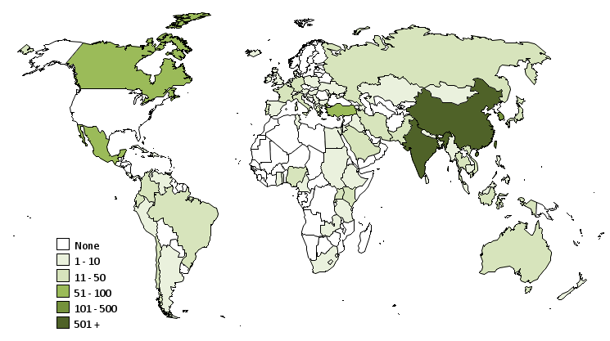

 |  | [MAP GOES HERE]

North and Central America |  | Europe Continued |  | Asia Continued |  | Africa
Bahamas | 1 | Netherlands | 4 | Myanmar | 1 | Cameroon | 2
Canada | 74 | Poland | 2 | Nepal | 10 | Egypt | 10
Costa Rica | 6 | Portugal | 25 | Oman | 2 | Ethiopia | 3
Cuba | 1 | Romania | 4 | Pakistan | 27 | Ghana | 6
Dominica | 2 | Serbia | 2 | Philippines | 8 | Kenya | 24
Dominican Republic | 1 | Spain | 10 | Russia | 13 | Lesotho | 1
El Salvador | 1 | Switzerland | 1 | Saudi Arabia | 14 | Nigeria | 18
Haiti | 1 | Ukraine | 5 | Singapore | 27 | Rwanda | 50
Mexico | 72 | United Kingdom | 7 | South Korea | 107 | South Africa | 3
Panama | 2 | Subtotal | 154 | Sri Lanka | 5 | Sudan | 1
Trinidad and Tobago | 2 | % of Intl Total | 3% | Taiwan | 151 | Swaziland | 1
US Minor Outlying Islands | 1 |  |  | Thailand | 18 | Tanzania | 1
Subtotal | 164 |  |  | Turkey | 52 | Togo | 1
% of Intl Total | 3% | Asia |  | United Arab Emirates | 1 | Tunisia | 1
 |  | Azerbaijan | 3 | Vietnam | 11 | Uganda | 19
 |  | Bangladesh | 7 | Subtotal | 4,182 | Zambia | 1
Europe |  | Cambodia | 1 | % of Intl Total | 87% | Subtotal | 142
Albania | 1 | China | 2,273 |  |  | % of Intl Total | 3%
Austria | 3 | Hong Kong | 10
Belgium | 3 | India | 1,316
Bulgaria | 1 | Indonesia | 17 |  |  | Oceania
Croatia | 3 | Iran | 30 |  |  | Australia | 27
Denmark | 2 | Iraq | 1 | South America |  | New Zealand | 3
France | 20 | Israel | 9 | Argentina | 5 | Subtotal | 30
Germany | 17 | Japan | 40 | Brazil | 31 | % of Intl Total | 1%
Greece | 13 | Jordan | 2 | Chile | 12
Hungary | 2 | Kazakhstan | 7 | Colombia | 28 | Not reported | 10
Iceland | 2 | Kuwait | 4 | Ecuador | 13
Ireland | 4 | Lebanon | 4 | Peru | 6
Italy | 19 | Macau | 1 | Venezuela | 7
Macedonia | 1 | Malaysia | 9 | Subtotal | 102
Moldova | 3 | Mongolia | 1 | % of Intl Total | 2% | International Total | 4,784

